2.3. - Tab. 11
Heat and moisture recovery efficiency
 | NH1-030-ECS0HRxAS-xA0 - Heat exchanger
 | Tab. 11

 | Series |  | Nhouse-300-efficiency of heat recovery - HRV
 | Unit type |  | NH1-30-ECS0HRxAS-0A0 |  |  |  | NH1-30-ECS0HRxAS-1A0
 | Bypass type |  | Electronic |  |  |  | Mechanical
 |  |  | FLOW RATE (m3/hr) | Temperature % efficiency (EN308) | Current (A) | Power supply (W) | FLOW RATE (m3/hr) | Temperature % efficiency (EN308) | Current (A) | Power supply (W)
 | Degree of air output | 1. | 45 | 92 | 0.16 | 9 | 40 | 91 | 0.15 | 9
 |  | 2. | 85 | 88.3 | 0.19 | 15 | 75 | 87.5 | 0.18 | 14
 |  | 3. | 125 | 85.1 | 0.26 | 26 | 115 | 83.9 | 0.26 | 25
 |  | 4. | 170 | 82.1 | 0.40 | 47 | 155 | 81.4 | 0.39 | 46
 |  | 5. | 210 | 80.7 | 0.64 | 79 | 195 | 79.5 | 0.63 | 77
 |  | 6. | 250 | 79.3 | 0.94 | 122 | 230 | 78.1 | 0.90 | 117
 |  | 7. - nominal | 300 | 77.8 | 1.44 | 184 | 270 | 77 | 1.37 | 180
 |  | 8. BOOST* | 310 | 77.5 | 1.52 | 195 | 290 | 76.4 | 1.42 | 182
 | * BOOST mode - intensive ventilation for a set period of time (ventilation intensity and ventilation time can be set in the customer menu)
EFFICIENCY GRAPH - NH1-30-ECS0HRxAS-0A0
EFFICIENCY GRAPH - NH1-30-ECS0HRxAS-1A0

2.3. - Tab. 12
NH1-030-ECS0ERxAS-xA0 - enthalpy exchanger
Tab. 12

Series |  | Nhouse-300-efficiency of heat and humidity recovery - ERV
Unit type |  | NH1-30-ECS0ERxAS-0A0 |  |  |  |  | NH1-30-ECS0ERxAS-1A0
Bypass type |  | Electronic |  |  |  |  | Mechanical
 |  | Flow rate (m3/h) | Temperature % efficiency (EN308) | Humidity efficiency % (EN308) | Current (A) | Power supply (W) | Flow rate (m3/h) | Temperature % efficiency (EN308) | Humidity efficiency % (EN308) | Current (A) | Power supply (W)
Degree of air output | 1. | 45 | 92 | 88 | 0.14 | 8 | 40 | 83 | 76.1 | 0.15 | 9
 | 2. | 80 | 86.2 | 83.9 | 0.18 | 14 | 70 | 81.1 | 73.1 | 0.18 | 13
 | 3. | 120 | 83 | 79.2 | 0.26 | 26 | 110 | 79.3 | 68.2 | 0.26 | 25
 | 4. | 165 | 80.2 | 72.1 | 0.41 | 48 | 150 | 77 | 65.4 | 0.39 | 45
 | 5. | 205 | 77.1 | 69.8 | 0.63 | 77 | 190 | 75.1 | 63.1 | 0.63 | 75
 | 6. | 245 | 75 | 64 | 0.94 | 122 | 225 | 72 | 59.2 | 0.9 | 117
 | 7. - nominal | 290 | 73.2 | 59.1 | 1.42 | 182 | 260 | 70.5 | 55.2 | 1.37 | 178
 | 8. BOOST* | 300 | 72.1 | 57 | 1.5 | 192 | 280 | 68.1 | 53 | 1.42 | 179
* BOOST mode - intensive ventilation for a set period of time (ventilation intensity and ventilation time can be set in the customer menu)

EFFICIENCY GRAPH - NH1-30-ECS0ERxAS-0A0
EFFICIENCY GRAPH - NH1-30-ECS0ERxAS-1A0

5.4.5. - Picture 42.
5.4.7. Display of the LED Indicated Statuses on the Controller

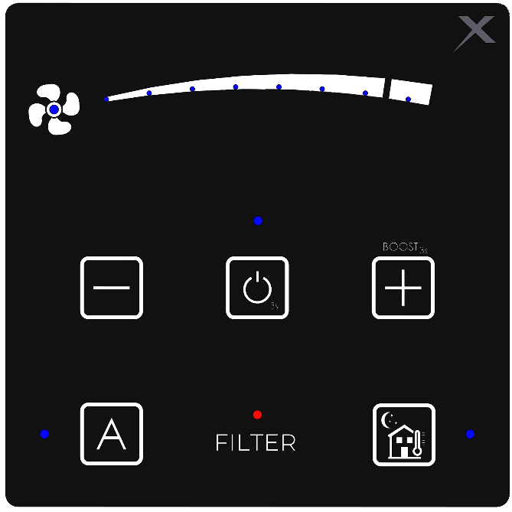

 |  |  |  | Blue LED range diode - ventilation level - 11; 12
 | Status LED - fan - 10. |  |  | - shine - shows the selected ventilation level
 | Blue |  |  | - LED 1; 2; 3; 4 flashing - supply fan failure
 | - shine - fan operation |  |  | - LED 5; 6; 7; 8 flashing - exhaust fan failure
 | - flashing - in the fan power setting mode |  |  | - LED 3; 4; 5; 6 flashing - “anti-freeze” sensor failure

 |  |  |  | Blue LED status diode - ON/OFF
 |  |  |  | - shine - the unit controller - ON
 |  |  |  | - flashes – cooling mode after switching off the control

 | Blue LED status diode - automatic (AQS) |  |  | Blue LED status diode - summer mode - 6.
 | / manual (depending on the user) - 4. |  |  | - shine - function activated
 | - shine - automatic mode ON (AQS) |  |  | - Flashes 3 times - function inactive - poor ambient
 | - Flashing - reading a number |  |  | conditions
 | - Flashes 3 times and then goes out - no sensor (AQS)

 |  |  | Red LED status diode - filter clogging - 5.
 |  |  | - flashing - indicates filter clogging
 |  | Common functions for all the blue status diodes | - 3 flashes for activation and deactivation of the "child lock" function
 |  |  | - 1 flash for indicating that the "child lock” function is active
 |  |  | - 3 flashes when starting the BOOST function - cannot be activated - low outdoor temperature

